TEDB Edition 40
Figure 9.6. Daily Vehicle Miles of Travel for Each Vehicle in a Household, 2017 NHTS

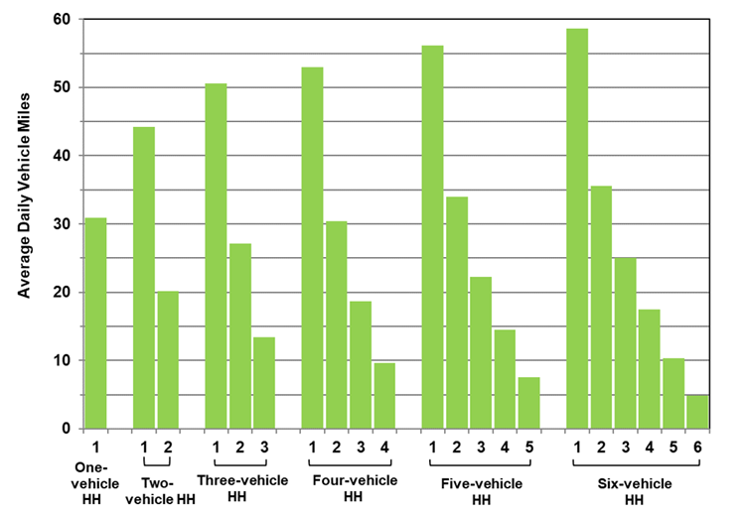

 | Number of |  | Average
 | Household | Vehicle | Daily
 | Vehicles | Number | Vehicle Miles
 | 1 | 1 | 30.9

 | 2 | 1 | 44.2
 |  | 2 | 20.2

 | 3 | 1 | 50.6
 |  | 2 | 27.1
 |  | 3 | 13.5

 | 4 | 1 | 53.0
 |  | 2 | 30.4
 |  | 3 | 18.7
 |  | 4 | 9.6

 | 5 | 1 | 56.1
 |  | 2 | 34.0
 |  | 3 | 22.3
 |  | 4 | 14.5
 |  | 5 | 7.5

 | 6 | 1 | 58.6
 |  | 2 | 35.6
 |  | 3 | 25.0
 |  | 4 | 17.5
 |  | 5 | 10.4
 |  | 6 | 4.9

 | Source:
 | Generated from the 2017 National Household Travel Survey
 | website nhts.ornl.gov.

